Data
Product | Region | Prices | Quantity | Sales
Bike | North America | $150 | 5 | $750 |  | 11
Wheels | North America | $50 | 3 | $150
Pedals | Europe | $40 | 7 | $280
Brakes | Canada | $30 | 8 | $240
Road Bikes | Austrailia | $200 | 1 | $200
Bike | North America | $150 | 2 | $300
Wheels | Europe | $50 | 2 | $100
Pedals | Canada | $40 | 2 | $80
Brakes | Austrailia | $30 | 1 | $30
Road Bikes | North America | $200 | 1 | $200
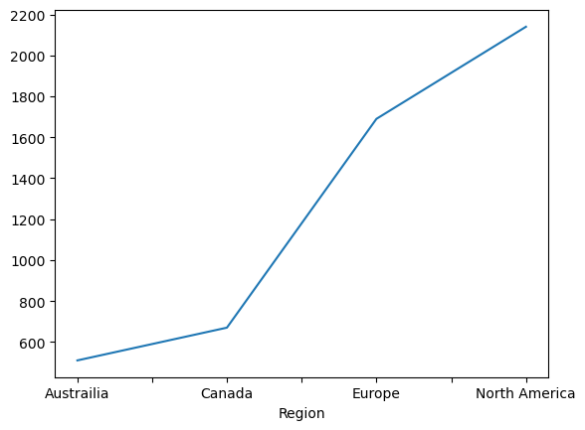
Bike | Europe | $150 | 2 | $300 | LinePlot
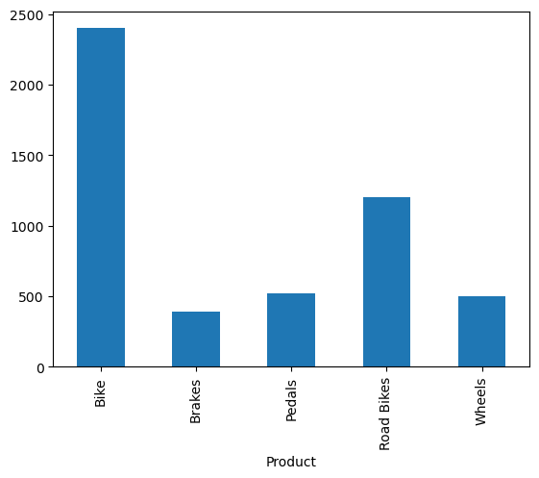
Wheels | Canada | $50 | 1 | $50
Pedals | Austrailia | $40 | 2 | $80
Brakes | North America | $30 | 2 | $60
Road Bikes | Europe | $200 | 1 | $200
Bike | Canada | $150 | 2 | $300
Wheels | Austrailia | $50 | 2 | $100
Pedals | North America | $40 | 2 | $80
Brakes | Europe | $30 | 2 | $60
Bike | Europe | $150 | 5 | $750
Wheels | Austrailia | $50 | 2 | $100
Road Bikes | North America | $200 | 3 | $600

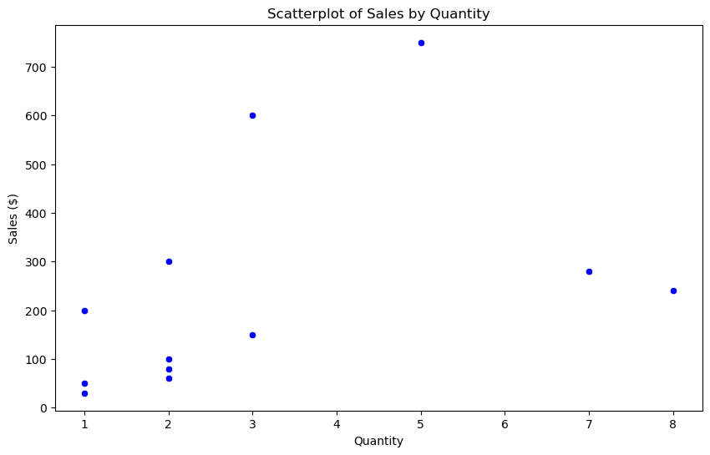
 |  |  |  |  | ScatterPlot

